Figure E1
Contents |  |  |  |  |  |  |  |  |  |  |  | Figure E1: Share of people with major illness by 10-year age group and by decile of deprivation, England, 2019

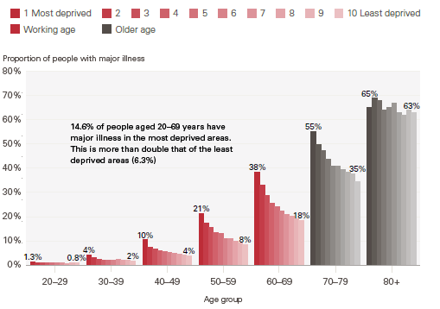
 |  | 1 Most deprived | 2 | 3 | 4 | 5 | 6 | 7 | 8 | 9 | 10 Least deprived
 | 20-29 | 1.3% | 1.1% | 0.9% | 0.9% | 0.9% | 0.9% | 0.9% | 0.7% | 0.8% | 0.8%
 | 30-39 | 4.2% | 3.1% | 2.5% | 2.0% | 2.1% | 2.1% | 2.2% | 2.0% | 1.9% | 1.7%
 | 40-49 | 10.4% | 7.3% | 6.7% | 5.9% | 5.5% | 5.2% | 4.7% | 4.6% | 4.0% | 3.7%
 | 50-59 | 21.2% | 17.4% | 15.4% | 13.3% | 12.9% | 11.0% | 10.8% | 9.8% | 9.1% | 8.5%
 | 60-69 | 38.4% | 33.2% | 28.9% | 25.6% | 24.1% | 22.4% | 20.7% | 20.2% | 19.2% | 18.4%
 | 70-79 | 55.2% | 50.0% | 47.3% | 43.6% | 40.9% | 40.8% | 39.6% | 38.4% | 37.6% | 34.5%
 | 80+ | 65.4% | 68.6% | 68.2% | 64.3% | 65.5% | 67.5% | 62.7% | 62.2% | 64.0% | 62.8%

 | Source: Analysis of linked health care records and mortality data conducted by the REAL Centre and the University of Liverpool

Figure E2
Contents |  |  |  |  |  |  |  |  |  |  |  | Figure E2: Projected change in the number of people aged 20–69 years and aged 70 years and older with and without major illness between 2019 and 2040, by decile of deprivation, England

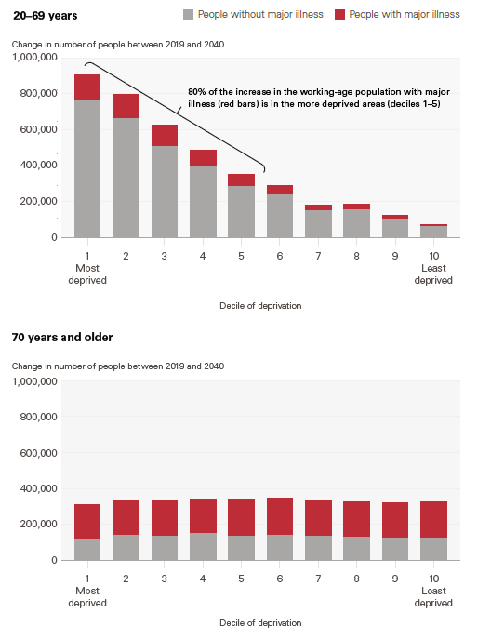
 | 20-69 years | 1 Most deprived | 2 | 3 | 4 | 5 | 6 | 7 | 8 | 9 | 10 Least deprived
 | People without major illness | 762,275 | 666,929 | 512,069 | 400,699 | 289,390 | 240,188 | 152,183 | 155,525 | 104,231 | 67,216
 | People with major illness | 145,282 | 130,537 | 112,785 | 86,201 | 61,370 | 47,830 | 27,888 | 28,260 | 19,961 | 6,515

 | 70 years and older
 | People without major illness | 123,399 | 140,997 | 138,923 | 151,578 | 139,688 | 142,308 | 135,602 | 132,998 | 127,184 | 127,603
 | People with major illness | 189,437 | 188,483 | 191,035 | 190,984 | 200,652 | 206,344 | 197,721 | 191,681 | 192,910 | 196,069

 | Source: Analysis of linked health care records and mortality data conducted by the REAL Centre and the University of Liverpool

Figure E3
Contents |  |  |  |  |  |  | Figure E3: Number of people with major illness by age, 2019 and projected for 2040, 10% most and least deprived areas, England

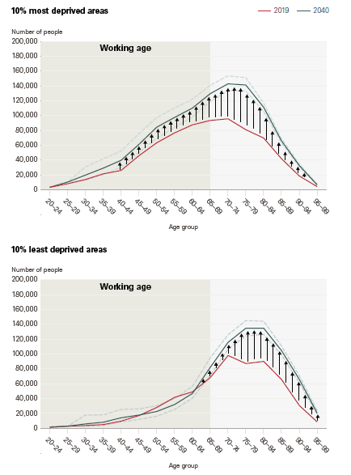
 | 10% most deprived areas |  |  | 10% least deprived areas
 |  | 2019 | 2040 |  | 2019 | 2040
 | 20-24 | 3,392 | 3,454 | 20-24 | 1,878 | 1,329
 | 25-29 | 8,167 | 10,450 | 25-29 | 2,911 | 2,965
 | 30-34 | 13,900 | 19,838 | 30-34 | 3,851 | 5,964
 | 35-39 | 21,568 | 29,208 | 35-39 | 5,070 | 8,239
 | 40-44 | 26,056 | 39,749 | 40-44 | 9,697 | 14,224
 | 45-49 | 45,891 | 61,133 | 45-49 | 17,200 | 17,861
 | 50-54 | 63,325 | 84,319 | 50-54 | 28,133 | 22,719
 | 55-59 | 76,637 | 97,503 | 55-59 | 41,760 | 32,101
 | 60-64 | 87,516 | 110,059 | 60-64 | 49,160 | 46,977
 | 65-69 | 93,437 | 129,459 | 65-69 | 68,347 | 82,144
 | 70-74 | 95,696 | 142,801 | 70-74 | 98,079 | 115,855
 | 75-79 | 81,028 | 141,238 | 75-79 | 87,249 | 134,959
 | 80-84 | 69,837 | 111,299 | 80-84 | 90,127 | 134,815
 | 85-89 | 42,045 | 66,095 | 85-89 | 65,716 | 104,652
 | 90-94 | 18,727 | 32,801 | 90-94 | 30,689 | 65,835
 | 95-99 | 4,370 | 6,905 | 95-99 | 8,599 | 20,412

 | Source: Analysis of linked health care records and mortality data conducted by the REAL Centre and the University of Liverpool

Figure E4
Contents |  |  |  |  |  |  |  | Figure E4: Projected change in the number of people living with a specific diagnosed condition between 2019 and 2040 in the 10% most and least deprived areas in England

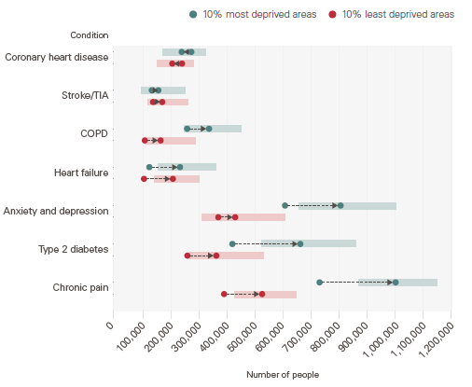
 |  | 10% most deprived areas |  |  | 10% least deprived areas
 | Condition | 2019 | 2040 | Change | 2019 | 2040 | Change
 | Anxiety and depression | 606,179 | 804,814 | 198,635 | 367,436 | 428,018 | 60,581
 | Chronic pain | 729,683 | 1,001,670 | 271,987 | 388,200 | 524,362 | 136,162
 | COPD | 256,141 | 334,452 | 78,311 | 104,705 | 161,282 | 56,577
 | Coronary heart disease | 271,192 | 236,632 | -34,560 | 237,988 | 202,944 | -35,044
 | Type 2 diabetes | 418,019 | 661,043 | 243,024 | 257,083 | 360,487 | 103,405
 | Heart failure | 120,978 | 230,773 | 109,796 | 101,923 | 205,217 | 103,295
 | Stroke/TIA | 129,591 | 153,206 | 23,614 | 134,411 | 167,097 | 32,686

 | Note: COPD is chronic obstructive pulmonary disease and TIA is transient ischaemic attack
 | Source: Analysis of linked health care records and mortality data conducted by the REAL Centre and the University of Liverpool

Figure 2
Contents |  |  |  |  |  |  |  |  |  |  |  | Figure 2: Prevalence of key contributing conditions to health inequality by decile of deprivation in England, age standardised, 2019

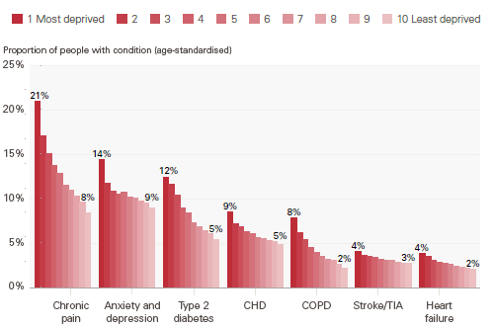
 | Condition | 1 Most deprived | 2 | 3 | 4 | 5 | 6 | 7 | 8 | 9 | 10 Least deprived
 | Chronic pain | 20.9% | 17.1% | 15.1% | 13.8% | 12.9% | 11.5% | 11.0% | 10.3% | 9.7% | 8.4%
 | Anxiety and depression | 14.4% | 11.8% | 10.9% | 10.5% | 10.8% | 10.2% | 10.1% | 9.8% | 9.6% | 9.0%
 | Type 2 diabetes | 12.5% | 11.6% | 10.4% | 9.0% | 8.5% | 7.4% | 6.9% | 6.5% | 6.1% | 5.4%
 | CHD | 8.5% | 7.2% | 6.9% | 6.3% | 6.1% | 5.7% | 5.6% | 5.3% | 5.2% | 4.9%
 | COPD | 7.9% | 6.3% | 5.5% | 4.6% | 4.0% | 3.6% | 3.2% | 3.1% | 2.7% | 2.2%
 | Stroke/TIA | 4.1% | 3.7% | 3.6% | 3.4% | 3.3% | 3.1% | 3.1% | 2.9% | 2.8% | 2.8%
 | Heart failure | 3.8% | 3.6% | 3.1% | 2.9% | 2.8% | 2.6% | 2.5% | 2.3% | 2.2% | 2.1%

 | Note: CHD is coronary heart disease, COPD is chronic obstructive pulmonary disease and TIA is transient ischaemic attack
 | Source: Analysis of linked health care records and mortality data conducted by the REAL Centre and the University of Liverpool

Figure 3
Contents |  |  |  |  |  |  | Figure 3: Prevalence of key contributing conditions to health inequality in the 10% most and least deprived areas in England, ages 20-49 and 50-69 years, 2019

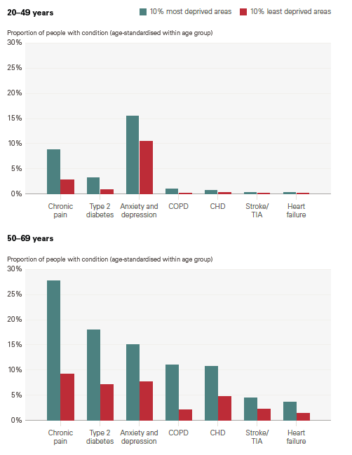
 | 20-49 years | 10% most deprived areas | 10% least deprived areas | 50-69 years | 10% most deprived areas | 10% least deprived areas
 | Chronic pain | 8.8% | 2.8% | Chronic pain | 27.8% | 9.1%
 | Type 2 diabetes | 3.2% | 0.9% | Type 2 diabetes | 18.0% | 7.1%
 | Anxiety and depression | 15.5% | 10.5% | Anxiety and depression | 15.0% | 7.7%
 | COPD | 1.1% | 0.2% | COPD | 10.9% | 2.1%
 | CHD | 0.8% | 0.4% | CHD | 10.7% | 4.7%
 | Stroke/TIA | 0.4% | 0.2% | Stroke/TIA | 4.4% | 2.1%
 | Heart failure | 0.4% | 0.1% | Heart failure | 3.6% | 1.3%

 | Note: COPD is chronic obstructive pulmonary disease, CHD is coronary heart disease and TIA is transient ischaemic attack
 | Source: Analysis of linked health care records and mortality data conducted by the REAL Centre and the University of Liverpool

Figure 4
Contents |  |  |  |  |  |  |  |  | Figure 4: Major illness and mortality rates by age group for people living in the 10% most and least deprived areas in England, 2019 data

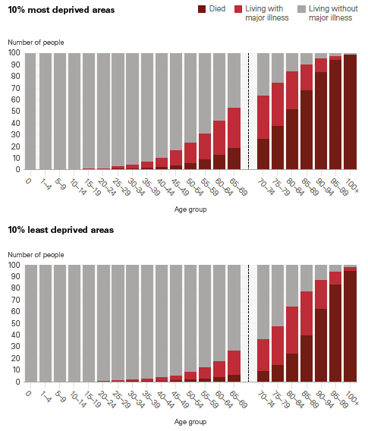
 |  | 10% most deprived areas |  |  |  | 10% least deprived areas
 |  | Died | Living with major illness | Living without major illness |  | Died | Living with major illness | Living without major illness
 | 0 | 0 | 0 | 100 | 0 | 0 | 0 | 100
 | 1-4 | 1 | 0 | 99 | 1-4 | 0 | 0 | 100
 | 5-9 | 1 | 0 | 99 | 5-9 | 0 | 0 | 100
 | 10-14 | 1 | 0 | 99 | 10-14 | 0 | 0 | 99
 | 15-19 | 1 | 0 | 99 | 15-19 | 0 | 0 | 99
 | 20-24 | 1 | 1 | 98 | 20-24 | 0 | 1 | 99
 | 25-29 | 1 | 2 | 97 | 25-29 | 1 | 1 | 98
 | 30-34 | 2 | 3 | 95 | 30-34 | 1 | 2 | 98
 | 35-39 | 2 | 5 | 93 | 35-39 | 1 | 2 | 97
 | 40-44 | 3 | 7 | 90 | 40-44 | 1 | 3 | 96
 | 45-49 | 4 | 13 | 83 | 45-49 | 2 | 4 | 94
 | 50-54 | 6 | 17 | 77 | 50-54 | 2 | 6 | 91
 | 55-59 | 9 | 22 | 69 | 55-59 | 3 | 10 | 87
 | 60-64 | 13 | 29 | 58 | 60-64 | 4 | 14 | 82
 | 65-69 | 19 | 35 | 46 | 65-69 | 6 | 21 | 73
 | 70-74 | 27 | 37 | 36 | 70-74 | 10 | 27 | 63
 | 75-79 | 38 | 37 | 25 | 75-79 | 15 | 33 | 52
 | 80-84 | 52 | 33 | 15 | 80-84 | 24 | 40 | 35
 | 85-89 | 68 | 22 | 10 | 85-89 | 40 | 38 | 22
 | 90-94 | 84 | 12 | 5 | 90-94 | 63 | 25 | 13
 | 95-99 | 94 | 3 | 3 | 95-99 | 84 | 11 | 5
 | 100+ | 99 | 0 | 1 | 100+ | 95 | 3 | 1

 | Source: Analysis of linked health care records and mortality data conducted by the REAL Centre and the University of Liverpool

Figure 5
Contents |  |  |  |  | Figure 5: Expected time with and without major illness for women and men in the 10% most and least deprived areas of England, 2019

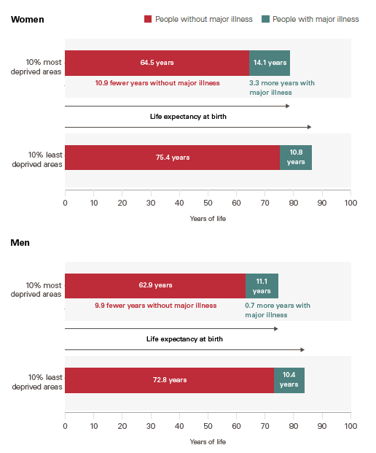
 |  |  | Without major illness | With major illness
 | Men | 10% least deprived areas | 72.8 | 10.4
 |  | 10% most deprived areas | 62.9 | 11.1

 | Women | 10% least deprived areas | 75.4 | 10.8
 |  | 10% most deprived areas | 64.5 | 14.1

 | Source: Analysis of linked health care records and mortality data conducted by the REAL Centre and the University of Liverpool

Figure 6
Contents |  |  |  |  | Figure 6: Healthy life expectancy, major illness-free life expectancy and life expectancy at birth, by decile of deprivation in England (2017–2019 average for healthy life expectancy, 2019 for major illness-free life expectancy and life expectancy)

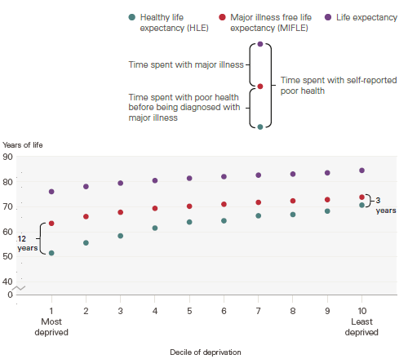
 |  | Major illness free life expectancy (MIFLE) | Healthy life expectancy (HLE) | Life expectancy
 | 1 Most deprived | 63.7 | 51.8 | 76.3
 | 2 | 66.4 | 55.9 | 78.3
 | 3 | 68.1 | 58.7 | 79.7
 | 4 | 69.6 | 61.8 | 80.7
 | 5 | 70.5 | 64.2 | 81.6
 | 6 | 71.3 | 64.7 | 82.3
 | 7 | 72.0 | 66.7 | 82.9
 | 8 | 72.6 | 67.2 | 83.3
 | 9 | 73.1 | 68.5 | 83.8
 | 10 Least deprived | 74.1 | 70.9 | 84.7

 | Source: Analysis of linked health care records and mortality data conducted by the REAL Centre and the University of Liverpool

Figure 7
Contents |  |  |  | Figure 7: Major illness-free life expectancy by decile of deprivation, 2019 and projected for 2040, England

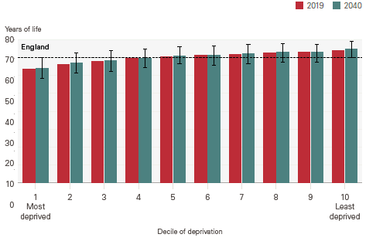
 |  | 2019 | 2040
 | 1 Most deprived | 63.7 | 64.1
 | 2 | 66.4 | 67.0
 | 3 | 68.1 | 68.3
 | 4 | 69.6 | 69.7
 | 5 | 70.5 | 71.0
 | 6 | 71.3 | 71.3
 | 7 | 72.0 | 72.2
 | 8 | 72.6 | 73.1
 | 9 | 73.1 | 73.0
 | 10 Least deprived | 74.1 | 74.7

 | England | 70.4 | 70.5

 | Source: Analysis of linked health care records and mortality data conducted by the REAL Centre and the University of Liverpool

Figure 9
Contents |  |  |  |  |  |  | Figure 9: Number of people with major illness by age, 2019 and projected for 2040, 10% most and least deprived areas, England

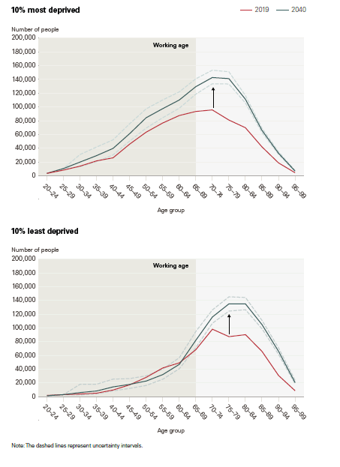
 | 10% most deprived areas |  |  | 10% least deprived areas
 |  | 2019 | 2040 |  | 2019 | 2040
 | 20-24 | 3,392 | 3,454 | 20-24 | 1,878 | 1,329
 | 25-29 | 8,167 | 10,450 | 25-29 | 2,911 | 2,965
 | 30-34 | 13,900 | 19,838 | 30-34 | 3,851 | 5,964
 | 35-39 | 21,568 | 29,208 | 35-39 | 5,070 | 8,239
 | 40-44 | 26,056 | 39,749 | 40-44 | 9,697 | 14,224
 | 45-49 | 45,891 | 61,133 | 45-49 | 17,200 | 17,861
 | 50-54 | 63,325 | 84,319 | 50-54 | 28,133 | 22,719
 | 55-59 | 76,637 | 97,503 | 55-59 | 41,760 | 32,101
 | 60-64 | 87,516 | 110,059 | 60-64 | 49,160 | 46,977
 | 65-69 | 93,437 | 129,459 | 65-69 | 68,347 | 82,144
 | 70-74 | 95,696 | 142,801 | 70-74 | 98,079 | 115,855
 | 75-79 | 81,028 | 141,238 | 75-79 | 87,249 | 134,959
 | 80-84 | 69,837 | 111,299 | 80-84 | 90,127 | 134,815
 | 85-89 | 42,045 | 66,095 | 85-89 | 65,716 | 104,652
 | 90-94 | 18,727 | 32,801 | 90-94 | 30,689 | 65,835
 | 95-99 | 4,370 | 6,905 | 95-99 | 8,599 | 20,412

 | Source: Analysis of linked health care records and mortality data conducted by the REAL Centre and the University of Liverpool

Figure 11
Contents |  |  |  | Figure 11: Change in age-standardised prevalence for the key contributing conditions to health inequality for the 10% most and least deprived areas in England, 2019 to 2040

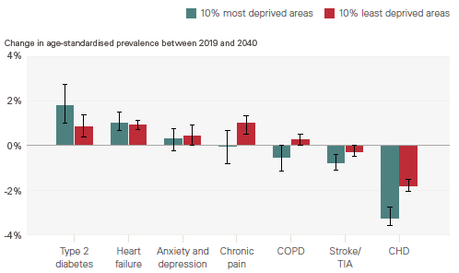
 | Condition | 10% most deprived areas | 10% least deprived areas
 | Type 2 diabetes | 1.8% | 0.8%
 | Heart failure | 1.0% | 0.9%
 | Anxiety and depression | 0.3% | 0.4%
 | Chronic pain | 0.0% | 1.0%
 | COPD | -0.5% | 0.3%
 | Stroke/TIA | -0.8% | -0.3%
 | CHD | -3.2% | -1.8%

 | Note: COPD is chronic obstructive pulmonary disease, TIA is transient ischaemic attack and CHD is coronary heart disease
 | Source: Analysis of linked health care records and mortality data conducted by the REAL Centre and the University of Liverpool

